Sheet1
PICTURES |  |  |  | Size
 | XS | S | M | L | XL | XXL | TOTAL | PRODUCT
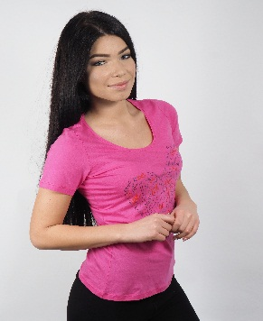 PINK/GREY/WHITE COLOURS | 16PCS | 72PCS | 70PCS | 49PCS | 38PCS |  | 245PCS | BOSS T-SHIRTS
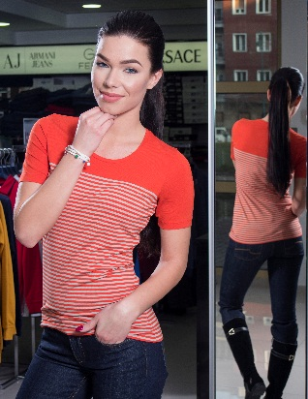 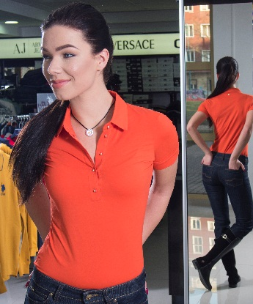 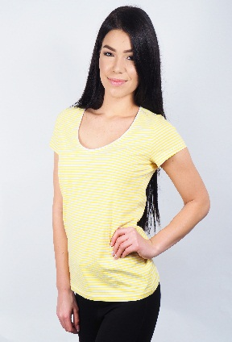 | 4 | 8 | 15 | 15 | 8 |  | 50PCS | DIFFERENTE COLOURS
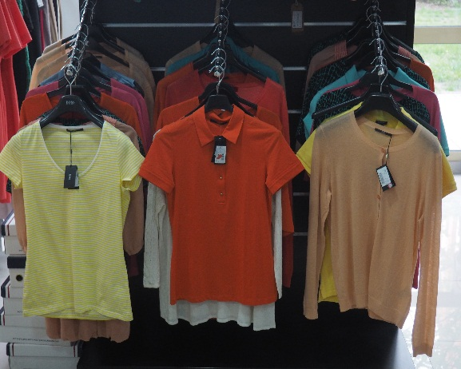 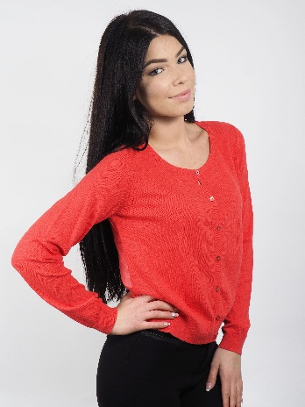 SWEATER/VEST | 0 | 2PCS/1PCS | 1PCS/2PCS | 5PCS/1PCS | 3PCS/1PCS | 0PCS/4PCS | 11PCS/9PCS | SWEATER/VEST | All Pieces: 408
TROUSERS SIZE | XS/34 | S/36 | M/38,40 | L/42-44 | XL/46-48
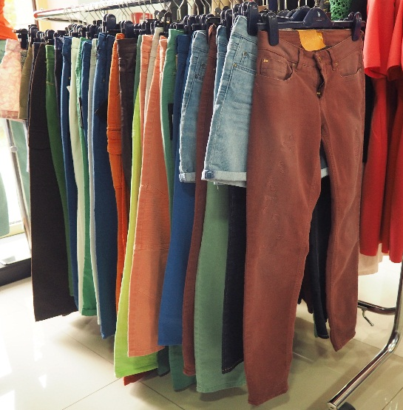 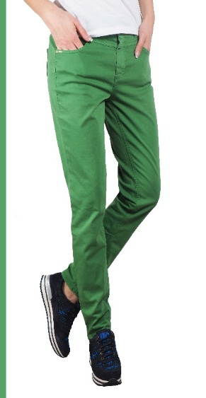 BOSS TROUSERS | 7PCS | 1PCS | 13PCS | 32PCS | 8PCS |  | 61PCS
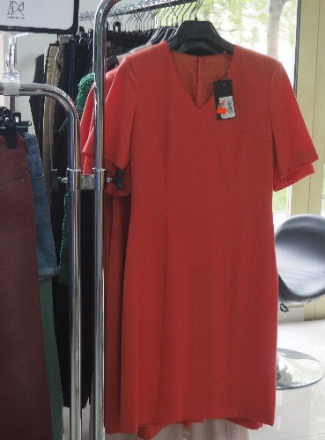 DRESS |  |  | 3PCS | 6PCS |  |  | 9PCS | DRESS
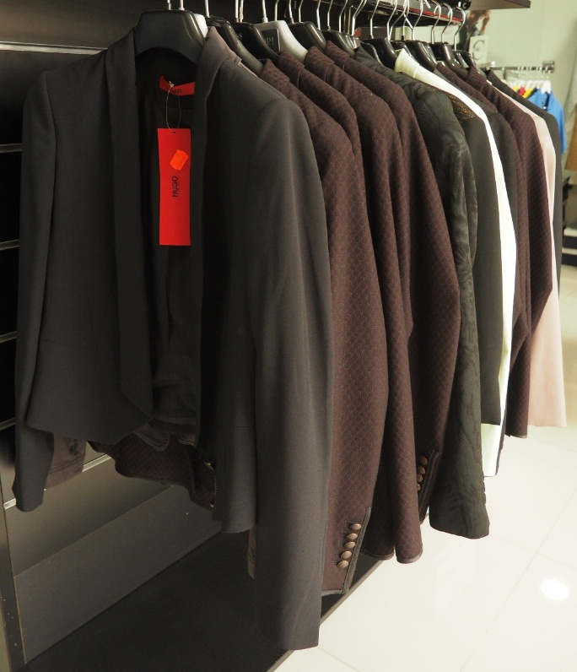 BLAZER | 1PCS | 2PCS | 7PCS,9PCS | 3PCS | 1PCS |  | 23PCS | BLAZER

